Intro
The FutureSource RTD Server allows you to bring Streaming Real-Time, Streaming Delayed or Historical Data into Excel.

Features & Benefits of RTD |  |  |  |  |  | To insert a streaming quote into your Excel spreadsheet, select the cell where you would like the quote to appear,

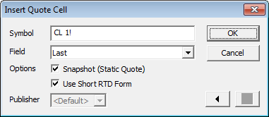
Excel "Function-like" Syntax |  |  |  |  |  | select Quote Cell from the RTD menu or Custom Toolbar on the Add-ins tab, and use the Insert Quote Cell form:
Uses Cell References as part of the formula
Is able to drive Excel Calculation
Custom Excel Toolbar to easily build Quote Tables
Ability to Retrieve Historical Data

System Requirements to Run FS RTD: |  |  |  |  |  |  | Interactive Data RTD menu

Microsoft Windows 2000, XP, Vista or 7
Microsoft Excel 2003, 2007 or 2010
Logged into your FutureSource Product |  |  |  |  |  |  |  | Interactve Data RTD Insert Quote Cell pop-up
 |  |  |  |  |  |  |  |  | See the Formula tab for details on the RTD formula.

See the Instrument tabs to view available data. |  |  |  |  |  |  | Interactive Data RTD Custom Toolbar |  | See FutureSource RTD Help File for more information.
Equity | Futures | Option | Fund | FX | Treasury

©2013 Interactive Data Corporation. All Rights Reserved. |  |  |  |  |  |  |  |  |  | 130613 web

